Logic-ALV Report
Object Description |  | Need a report with finctionality to disply all the Shippment Details in ALV format. On first screen Shipment Item fields should be displayed from Table VTTP. On Double click on TKNUM filed next screen should be displaying ALV of Shipment Header with a button in menu bar which will call Shipment Document Flows. The Third screen should also have 'Display Form' button

Logic for Report
1 | Select the fields from table ZVTTP
2 | Display an ALV first screen for table ZVTTP. The first column filed should have background colour RED
3 | On double click of TKNUM filed of first screen, next screen should appear which will display details of ZVTTK table in ALV for all entries in ZVTTP. (ZVTTK-TKNUM = ZVTTP-TKNUM)
4 | There should be a button available in menu bar name 'Shipment Document Flows'
5 | On action of this menu bar button the third screen should appear displaying the third ALV of VTFA table
6 | On third screen below the ALV there should be 'Display Form' button available
7 | The data should be for all entries in ZVTTP table where ZVTFA-TKNUM = ZVTTP-TKNUM
8 | The Form should be generated for the selected line item on Third screen
9 | The basic Back, Exit and Leave button should work accordingly
10 | Refer the below screenshot for screens, ALV and Form designing

Screenshots
 |  |  | First Screen | Second Screen
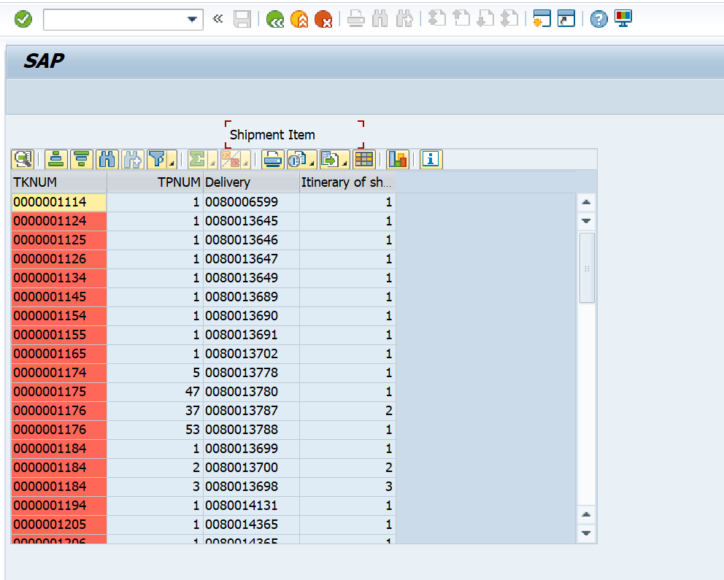
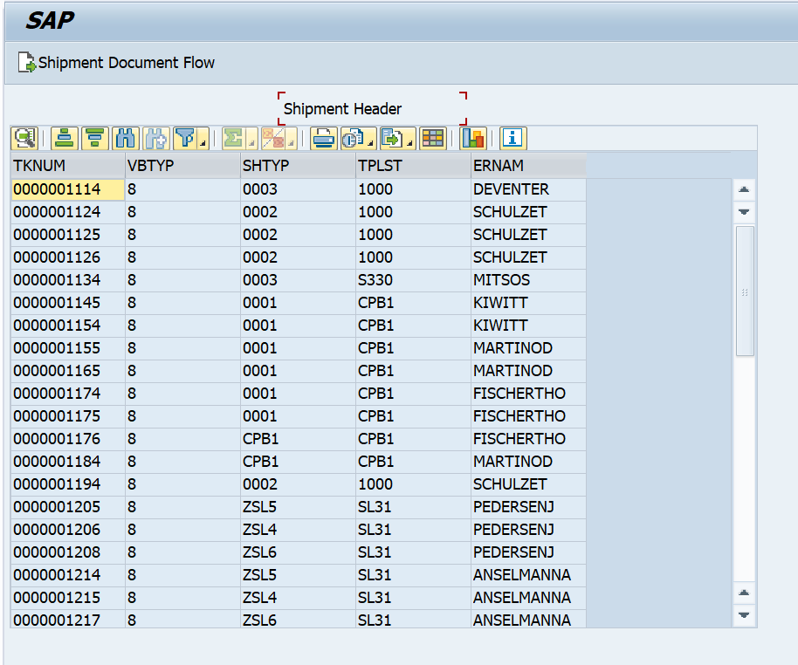

 |  | Third Screen |  |  | Smart Form
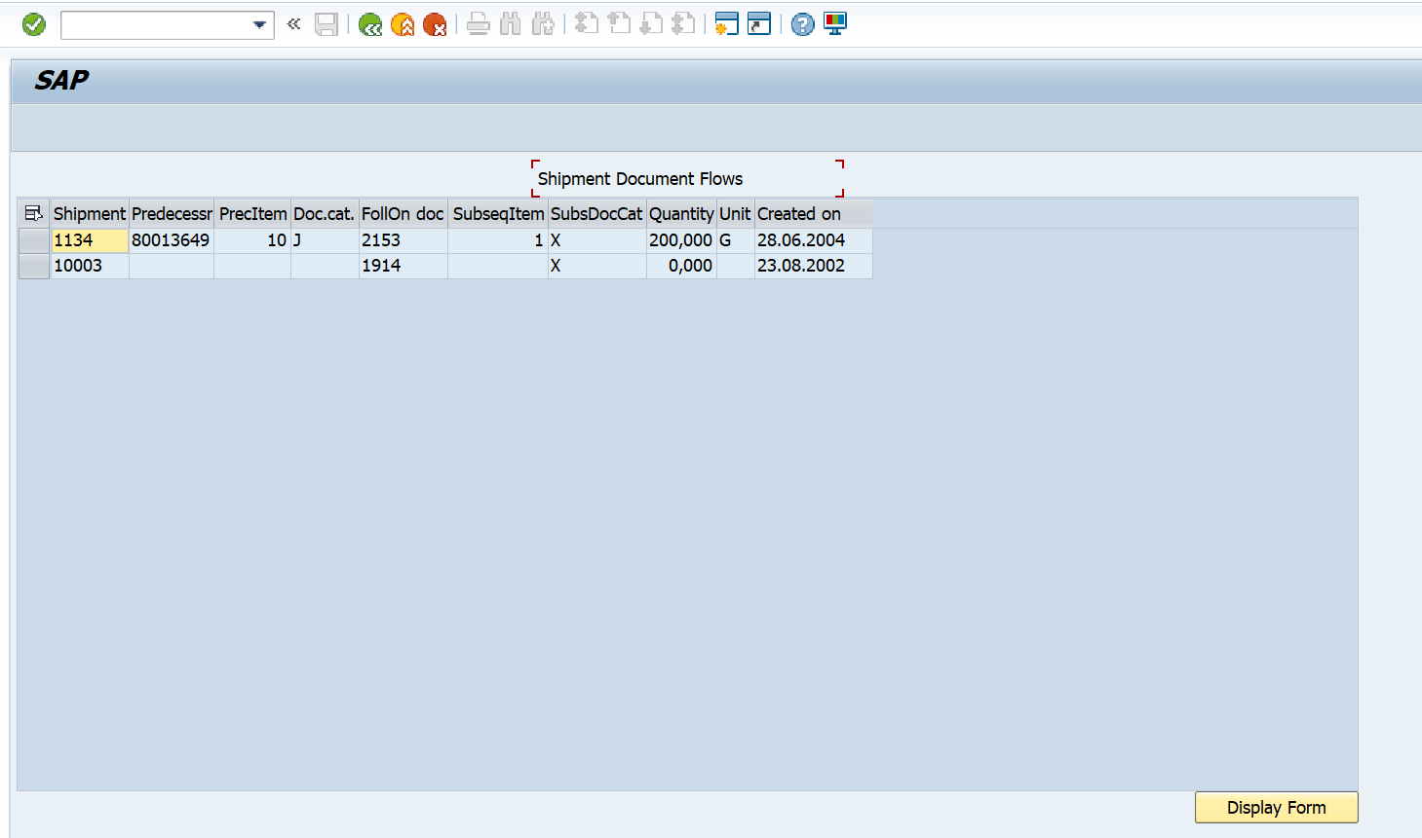
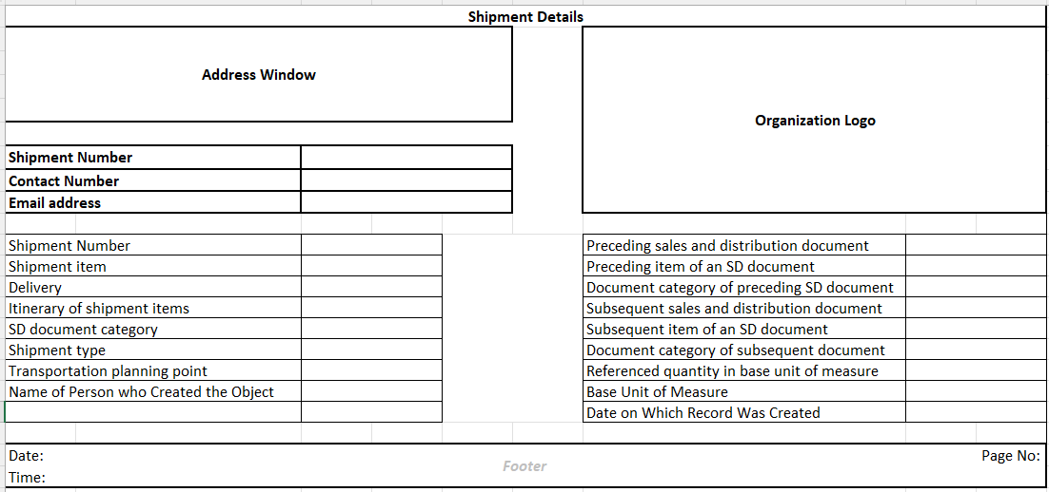

Logic to retrieve data from tables
 | 1. In first select query ( ZVTTP - TKNUM, TPNUM, VBELN, TPRFO) upto 100 ROWS
 | 2. In second select query ( ZVTTK - TKNUM, VBTYP, SHTYP, TPLST, ERNAM) for all enteies in first table where TKNUM = ZVTTP - TKNUM
 | 3. In Third select query ( ZVTFA - TKNUM, VBELV, POSNV, VBTYP_V, VBELN, POSNN, VBTYP_N, RFMNG, MEINS, ERDAT ) for all enteies in first table where TKNUM = ZVTTP - TKNUM

